Performance summary
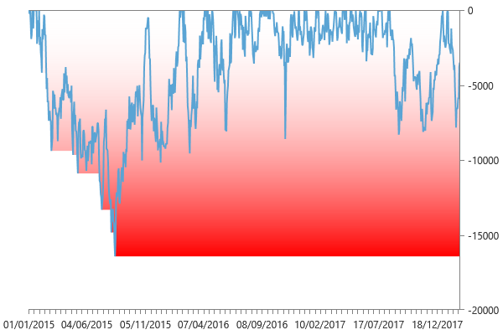
Performance summary

Main chart: Gold 30 minute bars [01/01/2015 - 18/02/2018]

Net P&L | 53570.00 $
Gross P&L | 53570.00 $
Profit factor | 1.1818212674
Sharpe ratio | 0.97766066299
Slippage per side | 0
Commission per side | 0.00 $
Annual ROI | 28.02 %
Mathematical expectation | 90.337268128

Session analysis
Analyzed sessions | 821
Sessions in market | 801
Winning sessions | 411
Winning sessions profit | 348200.00 $
Winning sessions average | 847.20 $
Losing sessions | 390
Losing sessions profit | -294630.00 $
Losing sessions average | -755.46 $
Worst drawdown | -16430.00 $ | 18/08/2015
Best session | 4960.00 $ | 11/02/2016
Worst session | -5150.00 $ | 09/11/2016

P&L Chart
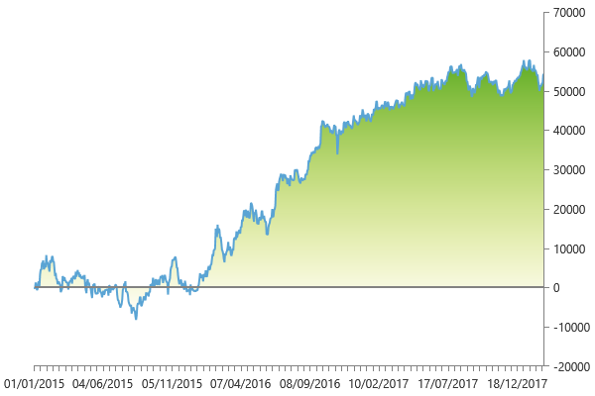

Scatter plot
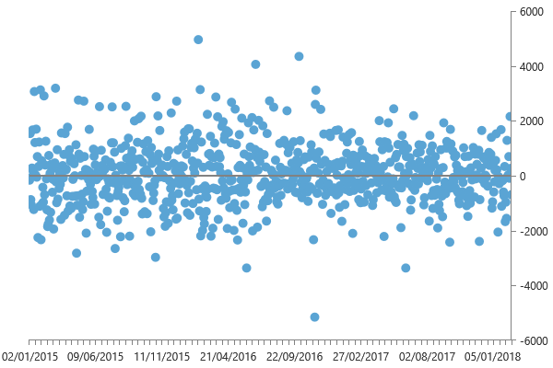

Maximum drawdown

